Sheet1
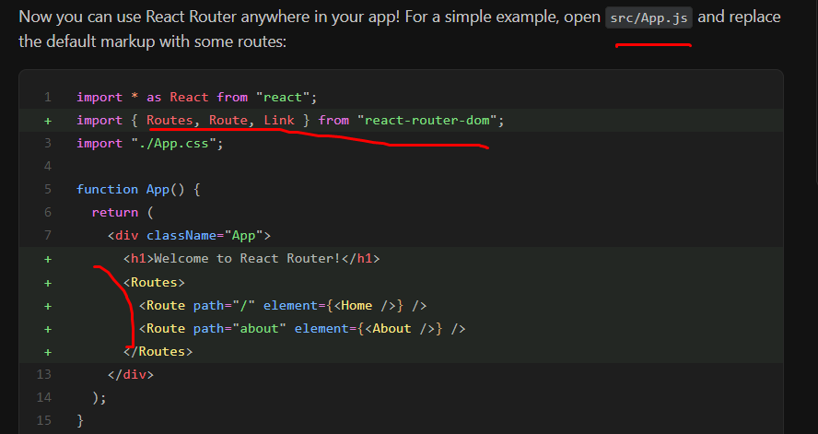
react router install
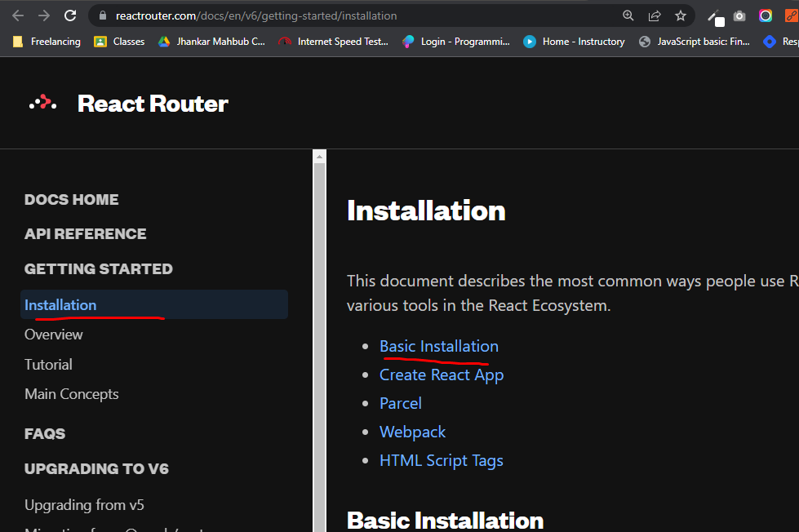

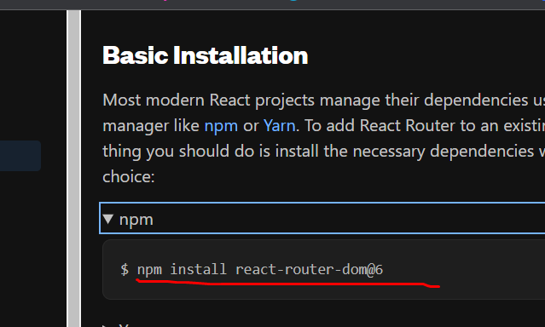

 | src index.js file modde |  | <BrowserRouter> set korte hobe
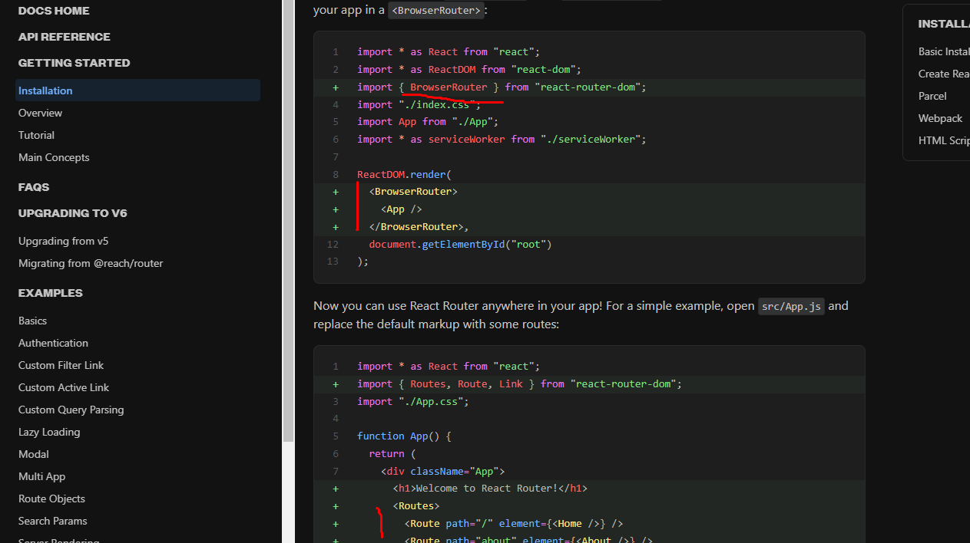

 | create component like |  | src vitore make korte hoy components name folder
 | home, about, products

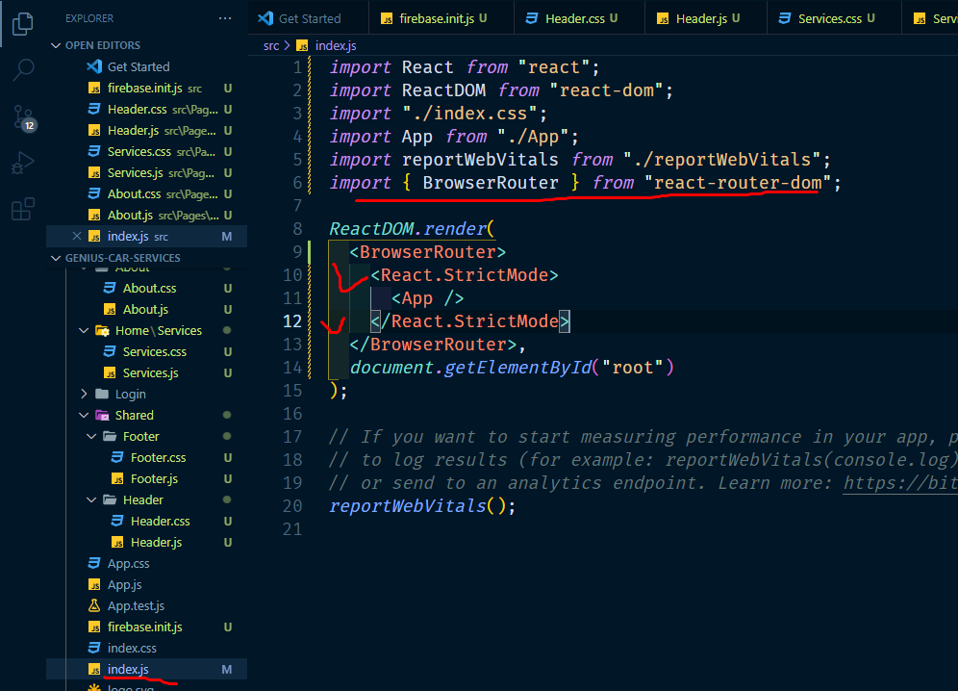

app.js modde |  | routers er vitore route bosabo

